Force solvers
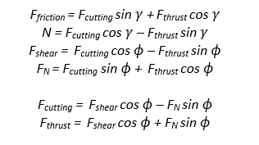
Quantities |  |  | Quantities
Rake angle γ (deg) | 12 |  | Rake angle γ (deg) | 12
undeformed chip thickness (mm) | 0.15 |  | undeformed chip thickness (mm) | 0.15
chip thickness (mm) | 0.26666667 |  | width of cut (mm) | 1.5
width of cut (mm) | 1.5 |  | shear strength (N/mm2) | 380
shear strength (N/mm2) | 380 |  | Friction coefficient µ | 0.64

Dimensions and angles |  |  | Dimensions and angles
Shear plane angle ϕ | 31.93 |  | Shear plane angle ϕ | 34.69
Friction angle β | 38.15 |  | Friction angle β | 32.62
Area of shear plane | 0.40 |  | Area of shear plane | 0.40

Relations and forces |  |  | Relations and forces
Chip thickness ratio | 0.56 |  | Shear force Fs | 150.23
Cutting ratio | 1.78 |  | Cutting force Fc | 247.04
Shear force Fs | 152.00 |  | Thrust force Ft | 92.95
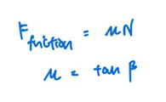
Cutting force Fc | 258.01 |  | Frictional force Ff | 142.28
Thrust force Ft | 126.67 |  | Tool normal force Fn | 217.03
Frictional force Ff | 177.54 |  | Plane normal force N | 222.32
Tool normal force Fn | 243.95 |  | Resultant force R | 263.95
Plane normal force N | 226.04
Resultant force R | 287.43
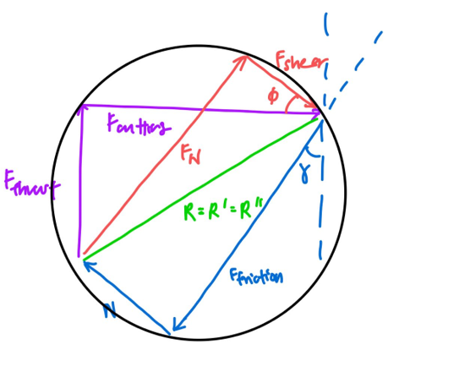
 | Fc coefficient | Ft coefficient | Right
 | 1 | 1 | 258.01422465 | 247.04399063
 | 0.84873099153 | -0.52882483301 | 152.00 | 150.22627376

 | 0.38388631777 | 0.72592339431
 | 0.61611368223 | -0.72592339431

